4.1
4 Loads
The loads reported in this chapter are the loads used in the system model. For loads specific to the substructure,

4.1 Pernament loads
4.1.1 Self weight
gbtg |  |  | 25 | kN/m3
 |  |  | L1) | b | h | g | V | ex | My | ey | Mx
Chamber |  |  | [m] | [m] | [m] | [kN/m3] | [kN] | [m] | [kNm] | [m] | [kNm]
Underwater concrete |  |  | 15.00 | 21 | 1.00 | 23 | 7245 | 2.8 | -20286 | 0 | 0
Bottom plate |  |  | 11.30 | 16.15 | 1.15 | 25 | 5247 | 3.58 | -18783.297875 | 0 | 0
North wall |  |  | 16.15 | 11.98 | 0.40 | 25 | 1935 | 3.58 | -6926 | -5.95 | -11511.8815
South wall |  |  | 16.15 | 11.98 | 0.40 | 25 | 1935 | 3.58 | -6926 | 5.95 | 11511.8815
Front wall |  |  | 10.50 | 12.25 | 0.60 | 25 | 1929 | -4.20 | 8103 | 0 | 0
Back wall |  |  | 10.50 | 11.98 | 0.60 | 25 | 1887 | 11.55 | -21793 | 0 | 0
Roof |  |  | 11.30 | 16.15 | 0.65 | 25 | 2982 | 3.58 | -10675 | 0.11 | 327.99528383
Column north |  |  | 10.45 | 2.30 | 0.60 | 25 | 361 | -0.30 | 108 | -3.64 | -1312
Column south |  |  | 10.45 | 2.30 | 0.60 | 25 | 361 | -0.30 | 108 | 3.64 | 1312
Jack podest north |  |  | 2.00 | 2.60 | 0.65 | 25 | 85 | -2.62 | 221 | -3.015 | -255
Jack podest south |  |  | 2.00 | 2.60 | 0.65 | 25 | 85 | -2.62 | 221 | 3.01 | 255
Platform north-front p.1 |  |  | 1.30 | 5.70 | 0.25 | 25 | 46 | -1.05 | 49 | -4.61 | -214
Platform north-front p.2 |  |  | 0.60 | 0.94 | 0.25 | 25 | 4 | 1.33 | -5 | -3.18 | -11
Platform north-back |  |  | 1.90 | 7.40 | 0.25 | 25 | 88 | 7.35 | -646 | -4.31 | -379
Platform south-front p.1 |  |  | 1.30 | 5.70 | 0.25 | 25.00 | 46 | -1.05 | 49 | 4.61 | 214
Platform south-front p.2 |  |  | 0.60 | 0.94 | 0.25 | 25.00 | 4 | 1.33 | -5 | 3.18 | 11
Platform south-back |  |  | 1.90 | 7.40 | 0.25 | 25.00 | 88 | 7.35 | -646 | 4.31 | 379
Stairs??
North kantbalk |  |  | 16.15 | 0.40 | 0.49 | 25 | 79 | 3.58 | -283 | -8.44 | -668
South kantbalk |  |  | 8.00 | 0.40 | 0.49 | 25 | 39 | -0.50 | 20 | 8.44 | 331
Pavement |  |  | 16.15 | 6.50 | 0.10 | 23 | 241 | 3.58 | -864 | -0.5 | -121
Railing north |  |  | 16.15 |  |  | 1 | 16.15 | 3.58 | -58 | -8.46 | -137
Railing south |  |  | 8.00 |  |  | 1 | 8 | -0.50 | 4 | 8.46 | 68
Total |  |  |  |  |  |  | 24709 |  | -79013 |  | -199

1) The length of the construction part or load perpendicular to the tracks

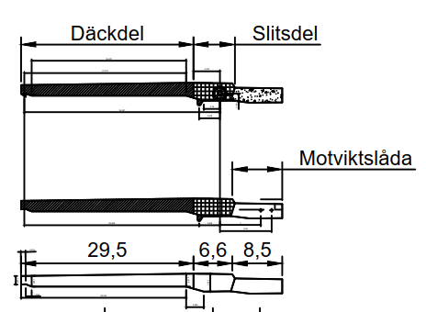
Loads from superstructure

Element |  |  | G | x | M=G*x | R1 | R2 | V | Hx | Hy | Mx | My | Mz
 |  |  | [ton] | [m] | [kNm] | [kN] | [kN] | [kN] | [kN] | [kN] | [kNm] | [kNm] | [kNm]
Farbaneplåt VÄG |  |  | 24.1 | -19.3 | -4637 | 55 | 55 | 110 | 0 | 0 | 0 | 0 | 0
Farbaneplåt GC |  |  | 12.3 | -19.3 | -2376 | 28 | 28 | 56 | 0 | 0 | 0 | 0 | 0
Avstyvningskanaler |  |  | 20.8 | -19.3 | -4000 | 48 | 48 | 95 | 0 | 0 | 0 | 0 | 0
Kantbalkar |  |  | 1.4 | -19.3 | -268 | 3 | 3 | 6 | 0 | 0 | 0 | 0 | 0
Upphöjning CG-bana |  |  | 1.3 | -19.3 | -254 | 3 | 3 | 6 | 0 | 0 | 0 | 0 | 0
Huvudbalk däckdel liv |  |  | 13.4 | -18.6 | -2480 | 32 | 32 | 64 | 0 | 0 | 0 | 0 | 0
Huvudbalk däckdel underfläns |  |  | 13.9 | -19.3 | -2684 | 32 | 32 | 64 | 0 | 0 | 0 | 0 | 0
Huvudbalk slitsdel överfläns |  |  | 2.3 | -0.8 | -19 | 11 | 11 | 22 | 0 | 0 | 0 | 0 | 0
Huvudbalk slitsdel liv |  |  | 4.5 | -1.1 | -50 | 22 | 22 | 44 | 0 | 0 | 0 | 0 | 0
Huvudbalk slitsdel underfläns |  |  | 3.0 | -1.4 | -41 | 14 | 14 | 29 | 0 | 0 | 0 | 0 | 0
Extra livhöjd för ena huvudbalken |  |  | 0.6 | -19.3 | -106 | 1 | 1 | 3 | 0 | 0 | 0 | 0 | 0
Tvärbalk 1 |  |  | 10.7 | -19.3 | -2052 | 24 | 24 | 49 | 0 | 0 | 0 | 0 | 0
Tvärbalk 2 |  |  | 1.6 | -33.4 | -519 | 0 | 0 | 1 | 0 | 0 | 0 | 0 | 0
Tvärbalk 3 |  |  | 1.3 | -4.8 | -64 | 6 | 6 | 11 | 0 | 0 | 0 | 0 | 0
Vridbalk |  |  | 7.0 | 0.0 | 0 | 35 | 35 | 70 | 0 | 0 | 0 | 0 | 0
Motviktslåda balkliv |  |  | 4.8 | 6.4 | 307 | 28 | 28 | 57 | 0 | 0 | 0 | 0 | 0
Motviktslåda balkunderfläns |  |  | 2.1 | 6.2 | 129 | 12 | 12 | 25 | 0 | 0 | 0 | 0 | 0
Motviktslåda balköverfläns |  |  | 1.9 | 6.6 | 126 | 11 | 11 | 23 | 0 | 0 | 0 | 0 | 0
Motviktslåda tak |  |  | 11.1 | 6.6 | 731 | 66 | 66 | 132 | 0 | 0 | 0 | 0 | 0
Motviktslåda väggar |  |  | 3.3 | 6.6 | 221 | 20 | 20 | 39 | 0 | 0 | 0 | 0 | 0
Motviktslåda golv |  |  | 3.7 | 6.2 | 230 | 22 | 22 | 43 | 0 | 0 | 0 | 0 | 0
Beläggning väg |  |  | 23.0 | -19.3 | -4430 | 53 | 53 | 105 | 0 | 0 | 0 | 0 | 0
Beläggning GC |  |  | 11.2 | -19.3 | -2163 | 26 | 26 | 51 | 0 | 0 | 0 | 0 | 0
Lyftplåtar för hydraulcylindrarna |  |  | 0.2 | -3.5 | -6 | 1 | 1 | 2 | 0 | 0 | 0 | 0 | 0
Vertikalavstyvningar |  |  | 2.1 | -6.1 | -125 | 9 | 9 | 17 | 0 | 0 | 0 | 0 | 0
Lagerplåt nos |  |  | 0.1 | -33.4 | -26 | 0 | 0 | 0 | 0 | 0 | 0 | 0 | 0
Räcke och dess infästningar |  |  | 2.5 | -18.8 | -473 | 6 | 6 | 12 | 0 | 0 | 0 | 0 | 0
Sick-sackstål |  |  | 1.3 | -19.3 | -253 | 3 | 3 | 6 | 0 | 0 | 0 | 0 | 0
Täckplåt kanaler |  |  | 0.3 | -19.3 | -54 | 1 | 1 | 1 | 0 | 0 | 0 | 0 | 0
Längsgående livavstyvning |  |  | 0.6 | -0.4 | -2 | 3 | 3 | 6 | 0 | 0 | 0 | 0 | 0
Anslagstvärbalk |  |  | 1.9 | -1.0 | -19 | 9 | 9 | 18 | 0 | 0 | 0 | 0 | 0
Avsyvningsplåtar vridtvärbalk |  |  | 2.5 | 0.0 | 0 | 13 | 13 | 25 | 0 | 0 | 0 | 0 | 0
Tvärförband vid tvärbalk 3 |  |  | 0.4 | -4.8 | -19 | 2 | 2 | 3 | 0 | 0 | 0 | 0 | 0
Svets och målning |  |  | 7.7 | -12.6 | -969 | 25 | 25 | 50 | 0 | 0 | 0 | 0 | 0
Tvärförband i motviktslåda |  |  | 0.9 | 6.8 | 64 | 5 | 5 | 11 | 0 | 0 | 0 | 0 | 0
Stålmotvikter |  |  | 0.0 | 8.6 | 0 | 0 | 0 | 0 | 0 | 0 | 0 | 0 | 0
Sum |  |  | 199.8 |  | -26283 | 628 | 628 | 1257 | 0 | 0 | 0 | 0 | 0
Counter weight |  |  | 296.9 | 6.6 | 19595 | 1760 | 1760 | 3521 | 0 | 0 | 0 | 0 | 0
xsup=M/G |  |  |  | -13.154050416 | m | -Center of gravity of loads from superstructure
hR-PAP |  |  |  | 13.8 | m | -vertical distance from PAP to road level
Gsup |  |  |  | 1998.0795201 | kN | -total mass of superstructure and equipment
xsup |  |  |  | -13.154050416 | m | -center of gravity of superstructure from center of PAP
ysup |  |  |  | 0 | m | -center of gravity of superstructure from center of PAP
zsup |  |  |  | 12.8 | m | -center of gravity of superstructure from center of PAP
Gco |  |  |  | 2969 | kN | -total mass of counter weight
xco |  |  |  | 6.6 | m | -center of gravity of counter weight from center of PAP
yco |  |  |  | 0 | m | -center of gravity of counter weight from center of PAP
zco |  |  |  | 12.8 | m | -center of gravity of counter weight from center of PAP
x0 |  |  |  | 0 | m | -center of rotation from center of PAP
y0 |  |  |  | 0 | m | -center of rotation from center of PAP
z0 |  |  |  | 13.8 | m | -center of rotation from center of PAP
Le |  |  |  | 34.0 | m | -lenght of span from rotation center
Lb |  |  |  | 4.5 | m
Rsup=√((x0-xsup)2+(z0-zsup)2) |  |  |  | 13.2 | m | -distance from center of superstructure to rotation axis
a0.sup=arctan((z0-zsup)/(x0-xsup)) |  |  |  | 175.7 | ° | -initial angle of superstructure
Rco=√((x0-xco)2+(z0-zco)2) |  |  |  | 6.7 | m | -distance from center of counter weight to rotation axis
a0.co=arctan((z0-zcp)/(x0-xco)) |  |  |  | 8.6 | °
Position of center of gravity of superstructure and counterweight after rotation
rotmax |  |  |  | 80 | ° | -maximal span rotation
ai.sup=a0.sup+rot |  |  |  | ai.co=a0.co+rot
xi.sup=x0+Rsup*cos(ai.sup) |  |  |  | xi.co=x0+Rco*cos(ai.co)
zi.sup=z0+Rsup*sin(ai.sup) |  |  |  | zi.co=z0+Rco*sin(ai.co)

rotation | ai.sup | ai.co | xi.sup | zi.sup | xi.co | zi.co | xi.Le | zi.Le | xi.Lb | zi.Lb
° | ° | ° | m | m | m | m | m | m | m | m
0 | 175.7 | 8.6 | -13.2 | 12.8 | 6.6 | 12.8 | -33.9 | 11.2 | -4.5 | 13.5
8 | 183.7 | 16.6 | -13.2 | 14.7 | 6.4 | 11.9 | -33.9 | 16.0 | -4.5 | 14.1
16 | 191.7 | 24.6 | -12.9 | 16.5 | 6.1 | 11.0 | -33.3 | 20.7 | -4.4 | 14.7
24 | 199.7 | 32.6 | -12.4 | 18.3 | 5.6 | 10.2 | -32.0 | 25.3 | -4.2 | 15.3
32 | 207.7 | 40.6 | -11.7 | 19.9 | 5.1 | 9.5 | -30.1 | 29.6 | -4.0 | 15.9
40 | 215.7 | 48.6 | -10.7 | 21.5 | 4.4 | 8.8 | -27.6 | 33.6 | -3.7 | 16.4
48 | 223.7 | 56.6 | -9.5 | 22.9 | 3.7 | 8.3 | -24.6 | 37.3 | -3.3 | 16.9
56 | 231.7 | 64.6 | -8.2 | 24.2 | 2.9 | 7.8 | -21.1 | 40.5 | -2.8 | 17.4
64 | 239.7 | 72.6 | -6.7 | 25.2 | 2.0 | 7.5 | -17.2 | 43.2 | -2.3 | 17.7
72 | 247.7 | 80.6 | -5.0 | 26.0 | 1.1 | 7.2 | -12.9 | 45.3 | -1.7 | 18.0
80 | 255.7 | 88.6 | -3.3 | 26.6 | 0.2 | 7.2 | -8.4 | 46.8 | -1.1 | 18.2

Sum of load on PAP
V=Gsup+Gco
Mx=ysup*Gsup+yco*Gco
My.i=-xi.sup*Gsup-xi.co*Gco
qwz |  |  | 0.41326511224 | kPa | wind pressure, check A1.3
qwx |  |  | -1.6034903036 | kPa | wind pressure, check A1.4.1
lw.x=xLe-xLb |  |  | ewx=xLb+0.6*lw.x
lw.z=zLe-zLb |  |  | ewz=zLb+0.6*lw.z
b |  |  | 11.80 | m | deck width
Hx.w=-b*(qwx*lwz)
Vw=-b*(-qwz*lw.x)
My.w=-(Vw*ewx+Hx.w*ew.z)
rotation | V | My | Mx | lw.x | lw.z | ew.x | ew.z | Vw | Hx.w | My.w
° | kN | kNm | kNm | m | m | m | m | kN | kN | kNm
0 | 4967.0795201 | 6687.4387427 | 0 | 29.4 | 2.2 | -22.1 | 14.8 | 143 | -42 | 3803
8 | 4967.0795201 | 7313.6409081 | 0 | 29.4 | 1.9 | -22.2 | 15.2 | 144 | -36 | 3723
16 | 4967.0795201 | 7797.4913723 | 0 | 28.9 | 6.0 | -21.7 | 18.3 | 141 | -113 | 5128
24 | 4967.0795201 | 8129.5725365 | 0 | 27.8 | 9.9 | -20.9 | 21.3 | 135 | -188 | 6830
32 | 4967.0795201 | 8303.4208185 | 0 | 26.1 | 13.7 | -19.7 | 24.1 | 127 | -259 | 8757
40 | 4967.0795201 | 8315.6524593 | 0 | 24.0 | 17.2 | -18.0 | 26.8 | 117 | -325 | 10817
48 | 4967.0795201 | 8166.0293839 | 0 | 21.3 | 20.4 | -16.1 | 29.2 | 104 | -385 | 12904
56 | 4967.0795201 | 7857.4638353 | 0 | 18.3 | 23.1 | -13.8 | 31.2 | 89 | -438 | 14904
64 | 4967.0795201 | 7395.9616908 | 0 | 14.9 | 25.5 | -11.2 | 33.0 | 73 | -482 | 16704
72 | 4967.0795201 | 6790.5055648 | 0 | 11.2 | 27.3 | -8.4 | 34.4 | 55 | -516 | 18200
80 | 4967.0795201 | 6052.8799721 | 0 | 7.3 | 28.6 | -5.5 | 35.3 | 36 | -541 | 19304

4.1.2 Earth pressure
The earth pressure coefficient for packed fyllning, K0=0.390. The distance h refers to the distance from UK underwater concrete to ground level (hw -refere to water level). As a minimum value of the earth pressures, characteristic earth pressure coefficients are set, K0=0.293.
PAP level |  |  | -8.600 | m
HHW |  |  | +1,80 | m | -Mälaren side
LLW |  |  | -0,59 | m | -Mälaren side

GUC |  |  | -9.80 | m | -level of uk underwater concrete
GLN |  |  | +2,97 | m | -ground level on north side
GLS |  |  | +1,70 | m | -ground level on south side
GLS1 |  |  | +5,18 | m | -ground level on south side (top of retaning wall)
GLB |  |  | +5,18 | m | -ground back side
g |  |  | 20 | kN/m3
g´ |  |  | 13 | kN/m3
K0 |  |  | 0.39
Earth pressure at LLW
 | h | hw | L1) | qw | quk | Hx | Hy | ex | ey | ez | My | Mx | Mz
 | [m] | [m] | [m] | [kPa] | [kPa] | [kN] | [kN] | [m] | [m] | [m] | [kNm] | [kNm] | [kNm]
North wall | 12.77 | 9.21 | 16.15 | 27.8 | 74.4627 |  | 8401.220528 | 2.72 |  | -4.09 |  | 34392.695832 | 22893
South wall | 11.50 | 9.21 | 8.15 | 17.9 | 64.5567 |  | -3259.9193435 | -1.28 |  | -3.86 |  | -12581.922309 | 4156
South wall 1 | 14.98 | 9.21 | 8.00 | 45.0 | 91.7007 |  | -6075.013308 | 6.80 |  | -4.62 |  | -28042.929328 | -41310
East wall | 14.98 | 9.21 | 10.50 | 45.0 | 91.7007 | -7973.4549668 |  |  |  | -4.62 | 36806.344743 |  | 0
 |  |  |  |  | Sum Eart pressure at LLW: | -7973 | -934 |  |  |  | 36806 | -6232 | -14260

Earth pressure at HHW
 | h | hw | L1) | qw | quk | Hx | Hy | ex | ey | ez | My | Mx | Mz
 | [m] | [m] | [m] | [kPa] | [kPa] | [kN] | [kN] | [m] | [m] | [m] | [kNm] | [kNm] | [kNm]
North wall | 12.77 | 11.60 | 16.15 | 9.1 | 67.938 |  | 7304.8050465 | 2.72 |  | -5.23 |  | 38175.680741 | 19906
South wall | 11.50 | 11.60 | 8.15 | -0.8 | 58.032 |  | -2706.61989 | -1.28 |  | -5.35 |  | -14490.982805 | 3451
South wall 1 | 14.98 | 11.60 | 8.00 | 26.4 | 85.176 |  | -5531.89728 | 6.80 |  | -5.41 |  | -29916.853741 | -37617
East wall | 14.98 | 11.60 | 10.50 | 26.4 | 85.176 | -7260.61518 |  |  |  | -5.41 | 39265.870535 |  | 0
 |  |  |  |  | Sum Eart pressure at LLW: | -7261 | -934 |  |  |  | 39266 | -6232 | -14260

4.1.2.1 Earth on foundation
 |  |  |  |  | L1) | b | h | g | V | ex | My | ey | Mx
Chamber |  |  |  |  | [m] | [m] | [m] | [kN/m3] | [kN] | [m] | [kNm] | [m] | [kNm]
Earth on foundation above HHW-back side |  |  |  |  | 11.30 | 1.3 | 3.38 | 20 | 993 | 12.3 | -12214.4412 | 0 | 0
Earth on foundation below HHW-back side |  |  |  |  | 11.30 | 1.3 | 9.33 | 18 | 2467 | 12.3 | -30344.57478 | 0 | 0
Earth on foundation above HHW-north |  |  |  |  | 1.30 | 17.5 | 1.17 | 20 | 532 | 4.2 | -2235.87 | -6.3 | -3354
Earth on foundation below HHW-north |  |  |  |  | 1.30 | 17.5 | 9.33 | 18 | 3821 | 4.2 | -16046.667 | -6.3 | -24070
Earth on foundation above HHW-south |  |  |  |  | 1.50 | 9.30 | 3.38 | 20 | 943 | 8.3 | -7827.066 | 6.4 | 6035
Earth on foundation below HHW-south |  |  |  |  | 1.50 | 9.3 | 9.33 | 18 | 2343 | 8.3 | -19444.9329 | 6.4 | 14994
Earth on foundation below HHW-south 1 |  |  |  |  | 1.30 | 8.2 | 9.33 | 18 | 1790 | -0.45 | 805.60818 | 6.3 | 11279
 |  |  |  |  |  |  |  |  | 12889 |  | -87308 |  | -6395

4.1.3 Earth pressure from overload
Earth pressure is calcualted assuming that overload acting over entire wide of back wall.
qol |  |  | 20 | kPa | -see RKFM chapter 6.2.2.5
Earth pressure from overload
 |  |  | h | L1) | qp | Hx | Hy | ex | ey | ez | My | Mx | Mz
 |  |  | [m] | [m] | [kPa] | [kN] | [kN] | [m] | [m] | [m] | [kNm] | [kNm] | [kNm]
East wall |  |  | 14.98 | 10.50 | 7.8 | -1226.862 |  |  |  | -6.29 | 7716.96198
 |  |  |  |  | Sum overload | -1227 | 0 |  |  |  | 7717 | 0 | 0

4.1.4 Earth pressure from breaking load and acceleration
Breaking load is calcaulted over lenght equal 1.5 times the height of the abutment.
hab |  |  | 14.98 | m | height of abutment
Lbr =1.5*ha |  |  | 22.47 | m | effective lenght of breakig load
Qbr.AB |  |  | 370 | kN | breaking load from vehicles A/B, see RKFM 6.2.2.1.2
QTS |  |  | 324 | kN | breaking load from vehicles TS, see RKFM 6.2.2.2.3
Qudl=Qlk.UDL/35.5*Lbr |  |  | 35 | kN | breaking load from vehicles UDL, see RKFM 6.2.2.2.3
QLM1=QTS+Qudl |  |  | 359.02366197 | kN | total breaking load from LM1

 |  |  |  |  |  | Hx | Hy | ex | ey | ez | My | Mx | Mz
 |  |  |  |  |  | [kN] | [kN] | [m] | [m] | [m] | [kNm] | [kNm] | [kNm]
Breaking load A/B |  |  |  |  |  | -370 |  |  |  | -8.7866666667 | 3251.0666667
Breaking load LM71 |  |  |  |  |  | -359.02366197 |  |  |  | -8.7866666667 | 3154.6212432

4.1.5 Water pressure

GUC |  |  | -9.80 | m | -level of uk underwater concrete
HHW |  |  | +1,80 | m | -Mälaren side
LLW |  |  | -0,59 | m | -Mälaren side

 |  |  | L1) | b | h | g | V | ex | My
 |  |  | [m] | [m] | [m] | [kN/m3] | [kN] | [m] | [kNm]
HHW |  |  | 11.30 | 16.15 | 11.60 | 10 | -21169 | 3.58 | 75786.5236
LLW |  |  | 11.30 | 16.15 | 9.21 | 10 | -16808 | 3.58 | 60171.88641

5 Pålgrundläggning
5. Pile foundation

5.1 General
In the following calculation, the pile foundation for abutment 2 is checked.

The pile group is dimensioned for loads acting in the pile cutting plane (PAP).
Loads in PAP are calculated in Chapter 4.

The pile group is checked both with and without lateral resistance against piles according to TRVINFRA-00227, 7.1.8.2.1. The calculations are performed in CAE-rymdpålgrupp,, ver. 2.1.8

Lateral resistance against piles is calculated for the average value of the fyllning over buckling length of 4 m.

When dimensioning the pile group, two models are used, Model A and Model B
Model A is used with a high value of the lateral resistance to piles
Model B is used with low lateral resistance to piles

4.2 Soil parameters under the base plate

Soil parameters under the base plate are taken from RKFM, Chapter 3.1, and are presented below.

Nivå | Jordlager | Fasthet | Jordparameter | Värderat värde
Markytan till +1 | Sa/friktionsjord | Mycket låg | Tunghet g/gm [kN/m3] | 18.0/20.0
 |  |  | Friktionsvinkel [°] | 31
 |  |  | E-modul [MPa] | 5 |  |  |  |  | ground level avarage 0.6m
+1 till -4 | Lera* | Låg | Tunghet g/gm [kN/m3] | 18.0/20.0
 |  |  | Skjuvhållfasthet | cu=25kPa; c'/cu=0.1; fk'=30°
 |  |  | E-modul [MPa] | 6.25
-4 till -8 | Sa/friktionsjord | Låg | Tunghet g/gm [kN/m3] | 18.0/20.0
 |  |  | Friktionsvinkel [°] | 33
 |  |  | E-modul [MPa] | 10
-8 till berg | Friktionsjord/ Åsmaterial | Låg till hög | Tunghet g/gm [kN/m3] | 19.0/20.0
 |  |  | Friktionsvinkel [°] | 37
 |  |  | E-modul [MPa] | 12+1.3*d(m) max 50

Partial coefficient, gM |  | 1.3

Foundation level |  | -8.8 | m
Assumed average pile length |  | 32.0 | m

Piles are surounded by Friktionsjord/ Åsmaterial. Parameters of this soil layer are used when calculating piles lateral resistance.
5.3 Pile plane

Type of piles: |  | Steel pipe piles RD320/12.5
Minimum center distance |  | 1300 mm
Pile inclination |  | 4:1
Steel class for steel pile |  | S550J2H
Concrete class inside pile |  | C30/37
Dp |  | 320 | mm
t |  | 12.5 | mm
corr |  | 5.7 | mm | or 2.7mm for natural soil
Ea |  | 210 | GPa
Ecm |  | 33 | GPa
Lp |  | 32.0 | m
Aa=((Dp-2corr)2-(Dp-2t)2)*π/4 |  | 0.0064 | m2 | 6.42
Ac=(Dp-2t)2*π/4 |  | 0.0683 | m2
Ja=((Dp-2corr)4-(Dp-2t)4)*π/64 |  | 0.0001 | m4
Jc=(Dp-2t)4*π/64 |  | 0.0004 | m4
K0 |  | 0.9 | SS-1994-1 formula 6.42
Ke.II |  | 0.5 | SS-1994-1 formula 6.42
EIeff=K0(Ea*Ja+Ke,II*Ecm*Jc) |  | 0.0194 | GPa*m4
Aeff=Ea*Aa+Ecm*Ac |  | 3.6095 | GN
In CEA section properties are recalcualted as for concrete material.
ECAE=Ecm |  | 33 | GPa
JCAE=EIeff/ECAE |  | 58791 | 104 *mm4
ACAE=EAeff/ECEA |  | 109378 | mm2
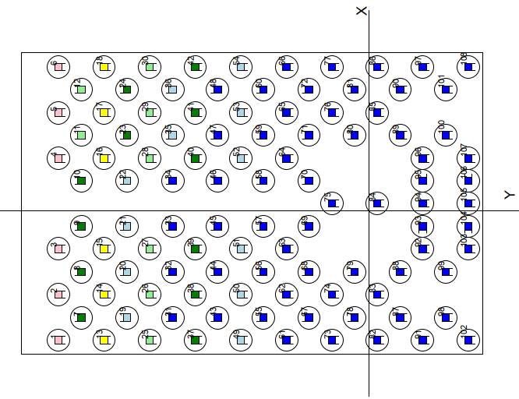

Figur: Sketch of pile plan
5.4 Lateral Resistance
5.4.1 Lateral resistance to bottom plate
As there is no bank from water side of chamber, no lateral resistance to the bottom plate is assumed.

5.4.2 Lateral resistance to piles
Lateral resistance against the pile is calculated according to TRVINFRA-00227, Appendix 3. The lateral resistance against the pile surface is calculated using the bed modulus, kk [force/length3]. The kk values calculated below are average values for movements up to the limit pressure qk [force/length2]. For movements greater than the limit pressure, the lateral resistance is constant.

For short-term and long-term conditions in frictional soil apply:
$$k_{k}=\frac{n_{h}∙z}{d}$$

nh.max [MN/m3] |  | 4.5 | "Medelhög" relativ compaction acc. chapter 4.2, below the water level, see TRVINFRA-00227, Table 13.3-1

nh.min [MN/m3] |  | 3.0 | "Låg" relativ compaction acc. chapter 4.2, below the water level, see TRVINFRA-00227, Table 13.3-2

z [m] |  |  | Soil depth
d [m] |  | 0.32 | Pile diameter

Maximum value for the bed module, kk*d, is set according to TRVINFRA-00227, Appendix 3, Table 13.3-2.
Assume "Packad friktionsjord" when reading in Table 13.3-2. The values in Table 13.3-2 are rescaled taking storage compaction and groundwater level into account.

kkdmax.TRV [MN/m2] |  | 30 | see, TRVINFRA-00227, Tabell 13.3-2
kkdmax=kkdmaxTRV*0,6*nh/7,0 [MN/m2] |  | 11.57 | Scaled value that takes into account compaction and groundwater level (under water level)
kkdmin=kkdmax*nh.min/nh.max [MN/m2] |  | 7.71 | Scaled value for lower maximum earth resistance that takes into account compaction and groundwater level (under water level)

5.4.3 Reduction of lateral resistance taking into account group effect
Reduction of lateral resistance with regard to group effect is taken into account according to Pålkommissionen's report 101, 2.4.4. All piles in the pile group are reduced, simply assumed to have a smaller impact on the result.

For piles in the direction of force, no reduction applies if:
a ≥ 8*Dp = | 2560 | mm | 1

For piles in the direction of force, the lateral resistance is reduced to 25% if:
a < 3*Dp = | 960 | mm | 0.25

Distance between piles in current pile group is:
a | 4000 | mm

Reduction regarding group effect is calculated using linear interpolation to |  |  |  |  | 100.0%

The distance between the piles inclined in the transverse direction is only 800 mm and therefore the lateral resistance for control in the transverse direction of the bridge should be set to 25% for these piles. However, this effect is neglected and is considered to have a marginal impact on the result because the reduction is applied to all piles and not only to those in the shade.

5.4.4 Calculation of lateral resistance to piles used in CAE calculation

In CAE, the bed modulus, kk*d, is given, which is calculated as the mean value of a buckling length. Since it is the upper part of the pile that buckle, it is critical along the top part of the pile and therefore the same value is used for the bed modulus along the entire length of the pile.

The soil parameters vary along the depth of the pile. To get a reasonable representation of the lateral resistance, the average value of the lateral resistance over buckling length of the pile is calculated at different levels. When checking the assumed capacity of the pile, a low value of the material parameters is used, but for checking a group of piles with lateral resistance, a high value of the material parameters is used (because the low value of the lateral resistance is set to 0).
The average value over buckling lenght is calculated for the different sections and is then used to calculate the capacity of the pile and for the lateral resistance used in the CAE calculation.
Pile buckling lenght is calculated according Raport 84a, formula 43
Lcr=p[(EI)/(kdD)]0,25 [m]

Nivå | nh.max [MN/m3] | nh.min [MN/m3] | kddmax [kN/m2] | kddmin [kN/m2] | kkard [kN/m2] | Lcr [m]
-8,8 | 4.5 | 3.0 | 0 | 0 | 0
-9.8 | 4.5 | 3.0 | 5850 | 2308 | 4500 | 4.24 |  |  |  | 2925
-10.8 | 4.5 | 3.0 | 11700 | 4615 | 9000 | 3.57 |  |  |  | 8775
-11.8 | 4.5 | 3.0 | 15043 | 5934 | 11571 | 3.35 |  |  |  | 13371.428571
-12.8 | 4.5 | 3.0 | 15043 | 5934 | 11571 | 3.35 |  |  |  | 15042.857143
-13.8 | 4.5 | 3.0 | 15043 | 5934 | 11571 | 3.35 |  |  |  | 15042.857143
-14.8 | 4.5 | 3.0 | 15043 | 5934 | 11571 | 3.35 |  |  |  | 15042.857143
Assumed buckling lenght 3,35m |  |  |  |  |  |  | 15042.857143
 |  |  |  |  |  |  |  | 15042.857143
In the CAE calculation, the lateral resistance is assumed as kddmax |  |  |  |  | 11700 | kN/m2
In the CAE calculation, the lateral resistance is assumed as kddmin |  |  |  |  | 4615 | kN/m2
In the CAE calculation, the lateral resistance is assumed as kddkar |  |  |  |  | 9000 | kN/m2

5.4.5 Allowed displacements
Maximum allowed displacement is calcualted as a ratio between maximum soil pressure and soil stiffness.
Lateral resistance is calcualted in chapter 5.4.4. Maximum earh pressure is calculated acc. TRVINFRA-00227 chapter 13.3.1.
u=qk/(kdd)*d
qk=3*Kpk*s'v
f |  | 37 | °
g' |  | 19 | kN/m3
s'v=h*g'
Kpk=tan2(45°+f/2) |  | 4.02 |  | -earth passive pressure

Nivå | s'h [kN/m2] | qk [kN/m2] | kkard [kN/m2] | uSLS [mm] | kkard [kN/m2] | uSLS [mm]
-8,8 | 0 | 0 | 0 | - | 0 | -
-9.8 | 19 | 229 | 4500 | 16.31 | 2308 | 31.80 | 2308 | 31.8 | 5850 | 12.5
-10.8 | 38 | 459 | 9000 | 16.31 | 4615 | 31.80 | 4615 | 31.8 | 11700 | 12.5
-11.8 | 57 | 688 | 11571 | 19.02 | 5934 | 37.10 | 5934 | 37.1 | 15043 | 14.6
-12.8 | 76 | 917 | 11571 | 25.36 | 5934 | 49.46 | 5934 | 49.5 | 15043 | 19.5
-13.8 | 95 | 1146 | 11571 | 31.71 | 5934 | 61.83 | 5934 | 61.8 | 15043 | 24.4
-14.8 | 114 | 1376 | 11571 | 38.05 | 5934 | 74.19 | 5934 | 74.2 | 15043 | 29.3

5.5 Control of pile group
Pile capacity is calcualted in Annex xx.
Pile capacity are:

PRd.ULS [kN] |  | #REF!
PRd.SLS [kN] |  | #REF!

Lastkombination |  | Pmax [kN] | Pmin [kN] | Pmin LC1 [kN] | δx tvärled [mm] | δy längdled [mm]
ULS, 6.10a, DA2, SK2, med sidomotstånd |  | 984 | 141 | -41 | 2.07 | 5.85
ULS, 6.10a, DA2, SK2, utan sidomotstånd |  | 1156 | 107 | -50 | 11.52 | 6.16
ULS, 6.10b, DA2, SK2, med sidomotstånd |  | 949 | 150 | -38 | 0.76 | 5.64
ULS, 6.10b, DA2, SK2, utan sidomotstånd |  | 968 | 117 | -47 | 4.17 | 5.94
ULS, 6.10a, DA3, SK3, med sidomotstånd |  | 1037 | 60 | -45 | 2.16 | 7.53
ULS, 6.10a, DA3, SK3, utan sidomotstånd |  | 1071 | 5 | -55 | 7.19 | 7.94
ULS, 6.10b, DA3, SK3, med sidomotstånd |  | 1100 | 35 | -42 | 0.84 | 8.03
ULS, 6.10b, DA3, SK3, utan sidomotstånd |  | 1125 | -28 | -51 | 4.82 | 8.48
SLS med sidomotstånd |  | 847 | 195 | - | 0.53 | 4.69
SLS utan sidomotstånd |  | 854 | 170 | - | 3.09 | 4.93

Pulled piles in load combination ULS occur for load case 1, i.e. without filling behind the abutment, and applies to some piles in the rear pile rows.
In load combination ULS, 6.10b, DA3, SK3, a small pull also occurs in the rearmost piles at loadcase 17. The pull force that occurs is marginal and is assumed to be manageable after shock wave measurement.

Max utilization rate in ULS, DA2, SK2: |  |  | #REF! |  |  |  | #REF!
Max utilization rate in ULS, DA3, SK3: |  |  | #REF!
Max utilization rate in SLS: |  |  | #REF!

CAE_piles_help
 |  | 26 | 1.8807692308 | 0 |  |  |  |  |  |  |  |  |  |  |  |  |  |  |  |  |  |  |  |  | Mateusz |  |  |  |  |  |  |  | Najlepszy układ póki co |  |  |  |  |  |  |  |  |  |  |  |  |  |  |  | Przemieszczenia SLS 16mm |  |  |  |  |  |  |  | 1_G320_N_K4615,0_30
 |  |  |  |  |  |  |  |  |  |  |  |  |  |  |  |  |  |  |  |  |  |  |  |  |  |  |  |  |  |  |  |  |  |  |  |  |  |  |  |  |  |  |  |  |  |  |  |  |  |  |  |  |  |  |  |  | 1_G320_N_K9000,0_30
1 | 1_G320_N_K4615,0_30 | 180 | 11.05 | -5.050 | 0 | 4 | 10 | 0.00 | 1 | 1_G320_N_30 | 270 | 11.05 | -5.05 | 0,00 | 4 | 20 | 1 | 1_G320_N_K4615,0_30 | 180 | 11.05 | -5.05 | 0 | 4 | 10 | 1_G320_N_K4615,0_30 | 0 | 11.05 | -5.05 | 0 | 4 | 10 | 1 | 1_G320_N_K4615,0_30 | 180 | 11.05 | -5.050 | 0 | 4 | 10 | 1 | 1_G320_N_K4615,0_30 | 180 | 9.05 | -5.050 | 0 | 4 | 10 | 1 | 1_G320_N_K4615,0_30 | 270 | 11.05 | -5.050 | 0 | 4 | 10 | 1 | 1_G320_N_K9000,0_30 | 270 | 11.05 | -5.050 | 0 | 4 | 30 | 1_G320_N_K4615,0_30 | 180 | 11.05 | -5.050 | 0 | 4 | 10 | 1_G320_N_K4615,0_30 | 180 | 9.05 | -5.050 | 0 | 4 | 10
2 | 1_G320_N_K4615,0_30 | 180 | 11.05 | -1.700 | 0 | 4 | 10 |  | 2 | 1_G320_N_30 | 0 | 11.05 | -2 | 0,00 | 4 | 20 | 2 | 1_G320_N_K4615,0_30 | 180 | 11.05 | -3.03 | 0 | 4 | 10 | 1_G320_N_K4615,0_30 | 0 | 8.56 | -5.05 | 0 | 4 | 10 | 2 | 1_G320_N_K4615,0_30 | 180 | 11.05 | -1.700 | 0 | 4 | 10 | 2 | 1_G320_N_K4615,0_30 | 180 | 9.05 | -1.700 | 0 | 4 | 10 | 2 | 1_G320_N_K4615,0_30 | 180 | 11.05 | -1.700 | 0 | 4 | 10 | 2 | 1_G320_N_K9000,0_30 | 180 | 11.05 | -1.700 | 0 | 4 | 30 | 1_G320_N_K4615,0_30 | 180 | 11.05 | -1.700 | 0 | 4 | 10 | 1_G320_N_K4615,0_30 | 180 | 9.05 | -1.700 | 0 | 4 | 10
3 | 1_G320_N_K4615,0_30 | 180 | 11.05 | 1.700 | 0 | 4 | 10 |  | 3 | 1_G320_N_30 | 0 | 11.05 | 2 | 0,00 | 4 | 20 | 3 | 1_G320_N_K4615,0_30 | 180 | 11.05 | -1.01 | 0 | 4 | 10 | 1_G320_N_K4615,0_30 | 0 | 6.07 | -5.05 | 0 | 4 | 10 | 3 | 1_G320_N_K4615,0_30 | 180 | 11.05 | 1.700 | 0 | 4 | 10 | 3 | 1_G320_N_K4615,0_30 | 180 | 9.05 | 1.700 | 0 | 4 | 10 | 3 | 1_G320_N_K4615,0_30 | 180 | 11.05 | 1.700 | 0 | 4 | 10 | 3 | 1_G320_N_K9000,0_30 | 180 | 11.05 | 1.700 | 0 | 4 | 30 | 1_G320_N_K4615,0_30 | 180 | 11.05 | 1.700 | 0 | 4 | 10 | 1_G320_N_K4615,0_30 | 180 | 9.05 | 1.700 | 0 | 4 | 10
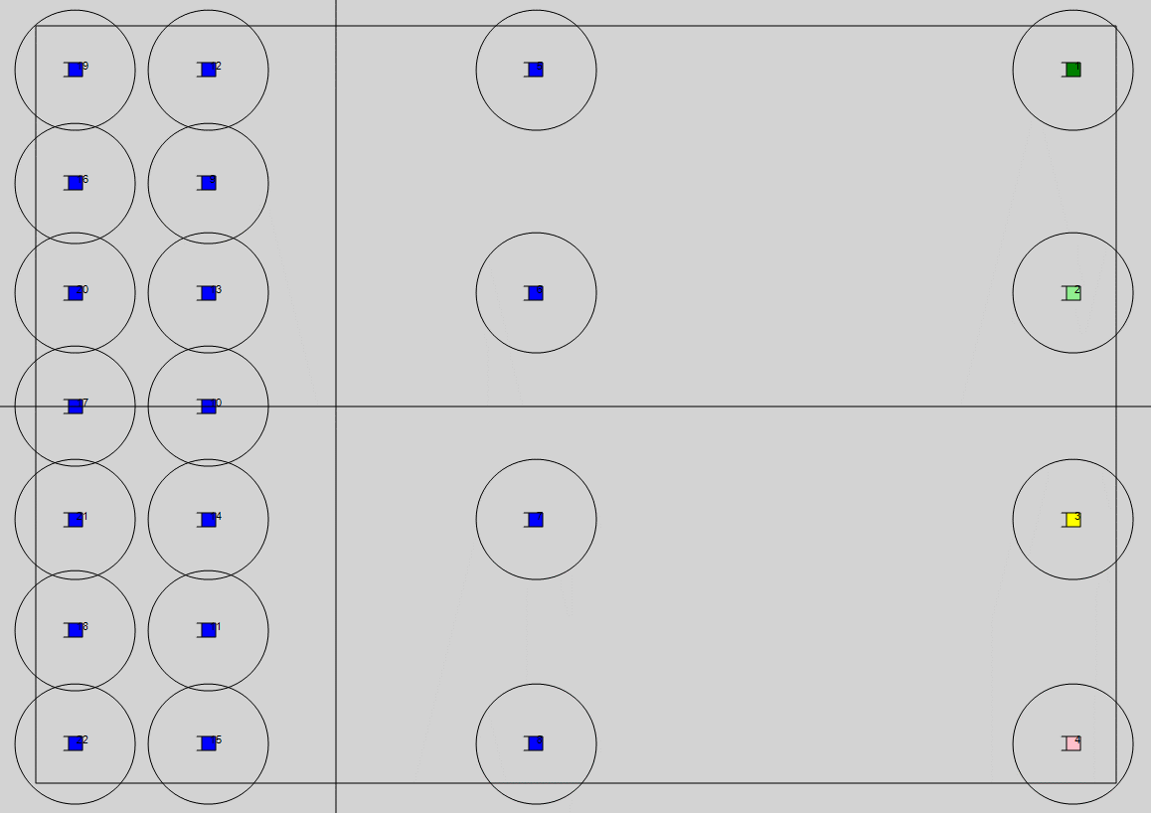
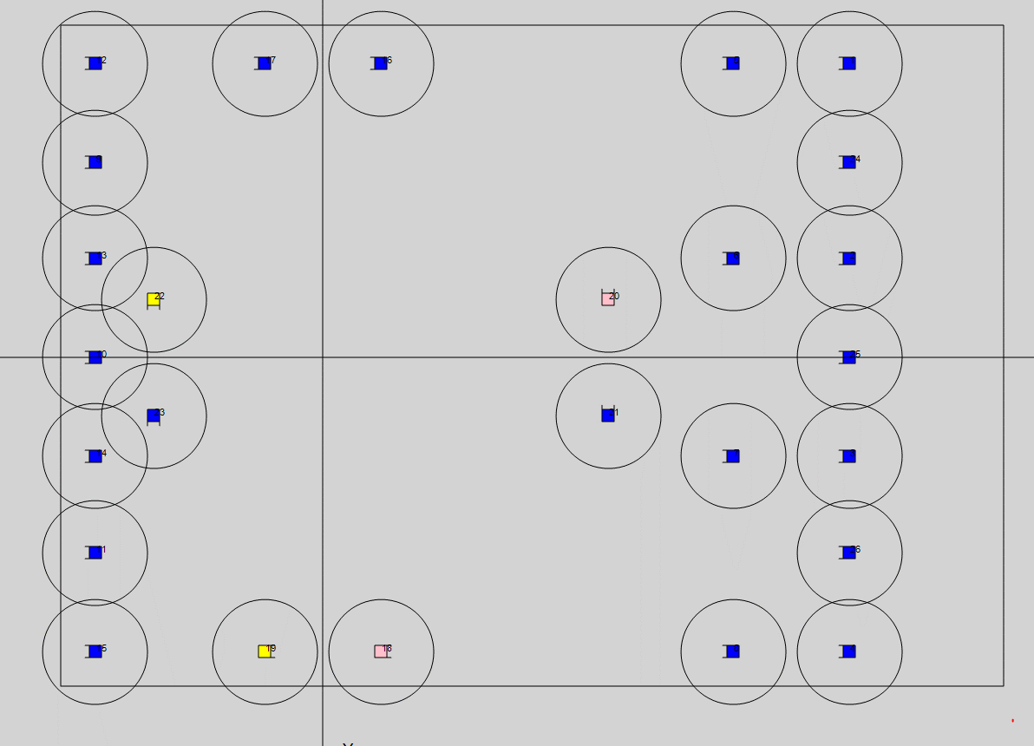
4 | 1_G320_N_K4615,0_30 | 180 | 11.05 | 5.050 | 0 | 4 | 10 |  | 4 | 1_G320_N_30 | 90 | 11.05 | 5.05 | 0,00 | 4 | 20 | 4 | 1_G320_N_K4615,0_30 | 180 | 11.05 | 1.01 | 0 | 4 | 10 | 1_G320_N_K4615,0_30 | 0 | 3.58 | -5.05 | 0 | 4 | 10 | 4 | 1_G320_N_K4615,0_30 | 180 | 11.05 | 5.050 | 0 | 4 | 10 | 4 | 1_G320_N_K4615,0_30 | 180 | 9.05 | 5.050 | 0 | 4 | 10 | 4 | 1_G320_N_K4615,0_30 | 0 | 11.05 | 5.050 | 0 | 4 | 10 | 4 | 1_G320_N_K9000,0_30 | 0 | 11.05 | 5.050 | 0 | 4 | 30 | 1_G320_N_K4615,0_30 | 180 | 11.05 | 5.050 | 0 | 4 | 10 | 1_G320_N_K4615,0_30 | 180 | 9.05 | 5.050 | 0 | 4 | 10
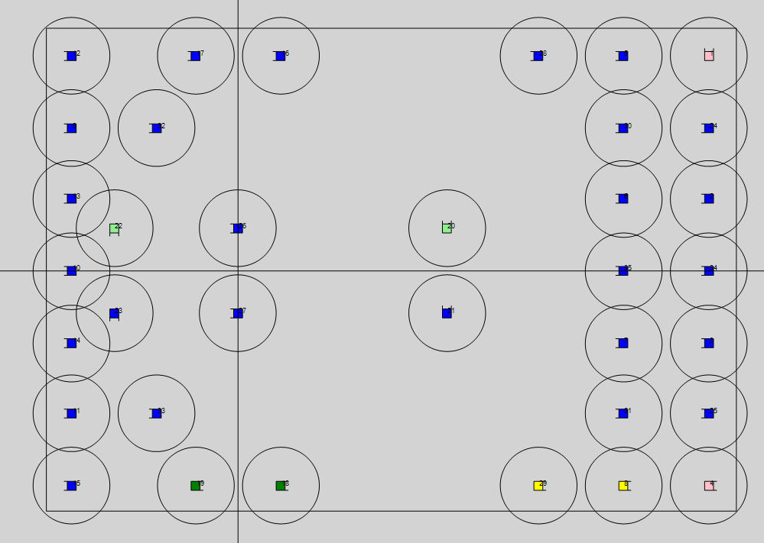
5 | 1_G320_N_K4615,0_30 | 180 | 2 | -5.050 | 0 | 4 | 10 |  | 5 | 1_G320_N_30 | 270 | -3.91 | -5.05 | 0,00 | 4 | 20 | 5 | 1_G320_N_K4615,0_30 | 180 | 11.05 | 3.03 | 0 | 4 | 10 | 1_G320_N_K4615,0_30 | 180 | 1.09 | -5.05 | 0 | 4 | 10 | 5 | 1_G320_N_K4615,0_30 | 180 | 3 | -5.050 | 0 | 4 | 10 | 5 | 1_G320_N_K4615,0_30 | 180 | 7.05 | -5.050 | 0 | 4 | 10 | 5 | 1_G320_N_K4615,0_30 | 180 | 9.05 | -5.050 | 0 | 4 | 10 | 5 | 1_G320_N_K9000,0_30 | 180 | 9.05 | -5.050 | 0 | 4 | 30 | 1_G320_N_K4615,0_30 | 180 | 9.05 | -5.050 | 0 | 4 | 10 | 1_G320_N_K4615,0_30 | 180 | 7.05 | -5.050 | 0 | 4 | 10
6 | 1_G320_N_K4615,0_30 | 180 | 2 | -1.700 | 0 | 4 | 10 |  | 6 | 1_G320_N_30 | 180 | -3.91 | -2 | 0,00 | 4 | 20 | 6 | 1_G320_N_K4615,0_30 | 180 | 11.05 | 5.05 | 0 | 4 | 10 | 1_G320_N_K4615,0_30 | 180 | -1.4 | -5.05 | 0 | 4 | 10 | 6 | 1_G320_N_K4615,0_30 | 180 | 3 | -1.700 | 0 | 4 | 10 | 6 | 1_G320_N_K4615,0_30 | 180 | 7.05 | -1.700 | 0 | 4 | 10 | 6 | 1_G320_N_K4615,0_30 | 180 | 9.05 | -1.700 | 0 | 4 | 10 | 6 | 1_G320_N_K9000,0_30 | 180 | 7.05 | -1.700 | 0 | 4 | 30 | 1_G320_N_K4615,0_30 | 180 | 9.05 | -1.700 | 0 | 4 | 10 | 1_G320_N_K4615,0_30 | 180 | 7.05 | -1.700 | 0 | 4 | 10
7 | 1_G320_N_K4615,0_30 | 180 | 2 | 1.700 | 0 | 4 | 10 |  | 7 | 1_G320_N_30 | 180 | -3.91 | 2 | 0,00 | 4 | 20 | 7 | 1_G320_N_K4615,0_30 | 180 | 8.56 | -5.05 | 0 | 4 | 10 | 1_G320_N_K4615,0_30 | 180 | -3.89 | -5.05 | 0 | 4 | 10 | 7 | 1_G320_N_K4615,0_30 | 180 | 3 | 1.700 | 0 | 4 | 10 | 7 | 1_G320_N_K4615,0_30 | 180 | 7.05 | 1.700 | 0 | 4 | 10 | 7 | 1_G320_N_K4615,0_30 | 180 | 9.05 | 1.700 | 0 | 4 | 10 | 7 | 1_G320_N_K9000,0_30 | 180 | 7.05 | 1.700 | 0 | 4 | 30 | 1_G320_N_K4615,0_30 | 180 | 9.05 | 1.700 | 0 | 4 | 10 | 1_G320_N_K4615,0_30 | 180 | 7.05 | 1.700 | 0 | 4 | 10
8 | 1_G320_N_K4615,0_30 | 180 | 2 | 5.050 | 0 | 4 | 10 |  | 8 | 1_G320_N_30 | 90 | -3.91 | 5.05 | 0,00 | 4 | 20 | 8 | 1_G320_N_K4615,0_30 | 180 | 8.56 | -3.03 | 0 | 4 | 10 | 1_G320_N_K4615,0_30 | 0 | 11.05 | -3.03 | 0 | 4 | 10 | 8 | 1_G320_N_K4615,0_30 | 180 | 3 | 5.050 | 0 | 4 | 10 | 8 | 1_G320_N_K4615,0_30 | 180 | 7.05 | 5.050 | 0 | 4 | 10 | 8 | 1_G320_N_K4615,0_30 | 0 | 9.05 | 5.050 | 0 | 4 | 10 | 8 | 1_G320_N_K9000,0_30 | 0 | 9.05 | 5.050 | 0 | 4 | 30 | 1_G320_N_K4615,0_30 | 180 | 9.05 | 5.050 | 0 | 4 | 10 | 1_G320_N_K4615,0_30 | 180 | 7.05 | 5.050 | 0 | 4 | 10
9 | 1_G320_N_K4615,0_30 | 0 | -1.9 | -3.350 | 0 | 4 | 10 |  |  |  |  |  |  |  |  |  | 9 | 1_G320_N_K4615,0_30 | 180 | 8.56 | -1.01 | 0 | 4 | 10 | 1_G320_N_K4615,0_30 | 0 | 8.56 | -3.03 | 0 | 4 | 10 | 9 | 1_G320_N_K4615,0_30 | 180 | -1.9 | -3.350 | 0 | 4 | 10 | 9 | 1_G320_N_K4615,0_30 | 180 | -3.9 | -3.350 | 0 | 4 | 10 | 9 | 1_G320_N_K4615,0_30 | 180 | -3.9 | -3.350 | 0 | 4 | 10 | 9 | 1_G320_N_K9000,0_30 | 180 | -3.9 | -3.350 | 0 | 4 | 30 | 1_G320_N_K4615,0_30 | 180 | -3.9 | -3.350 | 0 | 4 | 10 | 1_G320_N_K4615,0_30 | 180 | -3.9 | -3.350 | 0 | 4 | 10
10 | 1_G320_N_K4615,0_30 | 0 | -1.9 | 0.000 | 0 | 4 | 10 |  |  |  |  |  |  |  |  |  | 10 | 1_G320_N_K4615,0_30 | 180 | 8.56 | 1.01 | 0 | 4 | 10 | 1_G320_N_K4615,0_30 | 0 | 6.07 | -3.03 | 0 | 4 | 10 | 10 | 1_G320_N_K4615,0_30 | 180 | -1.9 | 0.000 | 0 | 4 | 10 | 10 | 1_G320_N_K4615,0_30 | 180 | -3.9 | 0.000 | 0 | 4 | 10 | 10 | 1_G320_N_K4615,0_30 | 180 | -3.9 | 0.000 | 0 | 4 | 10 | 10 | 1_G320_N_K9000,0_30 | 180 | -3.9 | 0.000 | 0 | 4 | 30 | 1_G320_N_K4615,0_30 | 180 | -3.9 | 0.000 | 0 | 4 | 10 | 1_G320_N_K4615,0_30 | 180 | -3.9 | 0.000 | 0 | 4 | 10
11 | 1_G320_N_K4615,0_30 | 0 | -1.9 | 3.350 | 0 | 4 | 10 |  |  |  |  |  |  |  |  |  | 11 | 1_G320_N_K4615,0_30 | 180 | 8.56 | 3.03 | 0 | 4 | 10 | 1_G320_N_K4615,0_30 | 0 | 3.58 | -3.03 | 0 | 4 | 10 | 11 | 1_G320_N_K4615,0_30 | 180 | -1.9 | 3.350 | 0 | 4 | 10 | 11 | 1_G320_N_K4615,0_30 | 180 | -3.9 | 3.350 | 0 | 4 | 10 | 11 | 1_G320_N_K4615,0_30 | 180 | -3.9 | 3.350 | 0 | 4 | 10 | 11 | 1_G320_N_K9000,0_30 | 180 | -3.9 | 3.350 | 0 | 4 | 30 | 1_G320_N_K4615,0_30 | 180 | -3.9 | 3.350 | 0 | 4 | 10 | 1_G320_N_K4615,0_30 | 180 | -3.9 | 3.350 | 0 | 4 | 10
12 | 1_G320_N_K4615,0_30 | 180 | 0 | -5.050 | 0 | 4 | 10 |  |  |  |  |  |  |  |  |  | 12 | 1_G320_N_K4615,0_30 | 180 | 8.56 | 5.05 | 0 | 4 | 10 | 1_G320_N_K4615,0_30 | 180 | 1.09 | -3.03 | 0 | 4 | 10 | 12 | 1_G320_N_K4615,0_30 | 180 | -1.9 | -5.050 | 0 | 4 | 10 | 12 | 1_G320_N_K4615,0_30 | 180 | -3.9 | -5.050 | 0 | 4 | 10 | 12 | 1_G320_N_K4615,0_30 | 180 | -3.9 | -5.050 | 0 | 4 | 10 | 12 | 1_G320_N_K9000,0_30 | 180 | -3.9 | -5.050 | 0 | 4 | 30 | 1_G320_N_K4615,0_30 | 180 | -3.9 | -5.050 | 0 | 4 | 10 | 1_G320_N_K4615,0_30 | 180 | -3.9 | -5.050 | 0 | 4 | 10
13 | 1_G320_N_K4615,0_30 | 180 | 0 | -1.700 | 0 | 4 | 10 |  |  |  |  |  |  |  |  |  | 13 | 1_G320_N_K4615,0_30 | 180 | 6.07 | -5.05 | 0 | 4 | 10 | 1_G320_N_K4615,0_30 | 180 | -1.4 | -3.03 | 0 | 4 | 10 | 13 | 1_G320_N_K4615,0_30 | 180 | -1.9 | -1.700 | 0 | 4 | 10 | 13 | 1_G320_N_K4615,0_30 | 180 | -3.9 | -1.700 | 0 | 4 | 10 | 13 | 1_G320_N_K4615,0_30 | 180 | -3.9 | -1.700 | 0 | 4 | 10 | 13 | 1_G320_N_K9000,0_30 | 180 | -3.9 | -1.700 | 0 | 4 | 30 | 1_G320_N_K4615,0_30 | 180 | -3.9 | -1.700 | 0 | 4 | 10 | 1_G320_N_K4615,0_30 | 180 | -3.9 | -1.700 | 0 | 4 | 10
14 | 1_G320_N_K4615,0_30 | 180 | 0 | 1.700 | 0 | 4 | 10 |  |  |  |  |  |  |  |  |  | 14 | 1_G320_N_K4615,0_30 | 180 | 6.07 | -3.03 | 0 | 4 | 10 | 1_G320_N_K4615,0_30 | 180 | -3.89 | -3.03 | 0 | 4 | 10 | 14 | 1_G320_N_K4615,0_30 | 180 | -1.9 | 1.700 | 0 | 4 | 10 | 14 | 1_G320_N_K4615,0_30 | 180 | -3.9 | 1.700 | 0 | 4 | 10 | 14 | 1_G320_N_K4615,0_30 | 180 | -3.9 | 1.700 | 0 | 4 | 10 | 14 | 1_G320_N_K9000,0_30 | 180 | -3.9 | 1.700 | 0 | 4 | 30 | 1_G320_N_K4615,0_30 | 180 | -3.9 | 1.700 | 0 | 4 | 10 | 1_G320_N_K4615,0_30 | 180 | -3.9 | 1.700 | 0 | 4 | 10
15 | 1_G320_N_K4615,0_30 | 180 | 0 | 5.050 | 0 | 4 | 10 |  |  |  |  |  |  |  |  |  | 15 | 1_G320_N_K4615,0_30 | 180 | 6.07 | -1.01 | 0 | 4 | 10 | 1_G320_N_K4615,0_30 | 0 | 11.05 | -1.01 | 0 | 4 | 10 | 15 | 1_G320_N_K4615,0_30 | 180 | -1.9 | 5.050 | 0 | 4 | 10 | 15 | 1_G320_N_K4615,0_30 | 180 | -3.9 | 5.050 | 0 | 4 | 10 | 15 | 1_G320_N_K4615,0_30 | 180 | -3.9 | 5.050 | 0 | 4 | 10 | 15 | 1_G320_N_K9000,0_30 | 180 | -3.9 | 5.050 | 0 | 4 | 30 | 1_G320_N_K4615,0_30 | 180 | -3.9 | 5.050 | 0 | 4 | 10 | 1_G320_N_K4615,0_30 | 180 | -3.9 | 5.050 | 0 | 4 | 10
16 | 1_G320_N_K4615,0_30 | 0 | -3.9 | -3.350 | 0 | 4 | 10 |  |  |  |  |  |  |  |  |  | 16 | 1_G320_N_K4615,0_30 | 180 | 6.07 | 1.01 | 0 | 4 | 10 | 1_G320_N_K4615,0_30 | 0 | 8.56 | -1.01 | 0 | 4 | 10 | 16 | 1_G320_N_K4615,0_30 | 180 | -3.9 | -3.350 | 0 | 4 | 10 | 16 | 1_G320_N_K4615,0_30 | 180 | 1 | -5.050 | 0 | 4 | 10 | 16 | 1_G320_N_K4615,0_30 | 180 | 1 | -5.050 | 0 | 4 | 10 | 16 | 1_G320_N_K9000,0_30 | 180 | 0 | -5.050 | 0 | 4 | 30 | 1_G320_N_K4615,0_30 | 180 | 1 | -3.350 | 0 | 4 | 10 | 1_G320_N_K4615,0_30 | 180 | 1 | -3.350 | 0 | 4 | 10
17 | 1_G320_N_K4615,0_30 | 0 | -3.9 | 0.000 | 0 | 4 | 10 |  |  |  |  |  |  |  |  |  | 17 | 1_G320_N_K4615,0_30 | 180 | 6.07 | 3.03 | 0 | 4 | 10 | 1_G320_N_K4615,0_30 | 0 | 6.07 | -1.01 | 0 | 4 | 10 | 17 | 1_G320_N_K4615,0_30 | 180 | -3.9 | 0.000 | 0 | 4 | 10 | 17 | 1_G320_N_K4615,0_30 | 180 | -1 | -5.050 | 0 | 4 | 10 | 17 | 1_G320_N_K4615,0_30 | 180 | -1 | -5.050 | 0 | 4 | 10 | 17 | 1_G320_N_K9000,0_30 | 180 | 2 | -5.050 | 0 | 4 | 30 | 1_G320_N_K4615,0_30 | 180 | -1 | -3.350 | 0 | 4 | 10 | 1_G320_N_K4615,0_30 | 180 | -1 | -3.350 | 0 | 4 | 10
18 | 1_G320_N_K4615,0_30 | 0 | -3.9 | 3.350 | 0 | 4 | 10 |  |  |  |  |  |  |  |  |  | 18 | 1_G320_N_K4615,0_30 | 180 | 6.07 | 5.05 | 0 | 4 | 10 | 1_G320_N_K4615,0_30 | 0 | 3.58 | -1.01 | 0 | 4 | 10 | 18 | 1_G320_N_K4615,0_30 | 180 | -3.9 | 3.350 | 0 | 4 | 10 | 18 | 1_G320_N_K4615,0_30 | 0 | 1 | 5.050 | 0 | 4 | 10 | 18 | 1_G320_N_K4615,0_30 | 0 | 1 | 5.050 | 0 | 4 | 10 | 18 | 1_G320_N_K9000,0_30 | 0 | 0 | 5.050 | 0 | 4 | 30 | 1_G320_N_K4615,0_30 | 0 | 1 | 3.350 | 0 | 4 | 10 | 1_G320_N_K4615,0_30 | 0 | 1 | 3.350 | 0 | 4 | 10
19 | 1_G320_N_K4615,0_30 | 180 | -2 | -5.050 | 0 | 4 | 10 |  |  |  |  |  |  |  |  |  | 19 | 1_G320_N_K4615,0_30 | 180 | 3.58 | -5.05 | 0 | 4 | 10 | 1_G320_N_K4615,0_30 | 180 | 1.09 | -1.01 | 0 | 4 | 10 | 19 | 1_G320_N_K4615,0_30 | 180 | -3.9 | -5.050 | 0 | 4 | 10 | 19 | 1_G320_N_K4615,0_30 | 0 | -1 | 5.050 | 0 | 4 | 10 | 19 | 1_G320_N_K4615,0_30 | 0 | -1 | 5.050 | 0 | 4 | 10 | 19 | 1_G320_N_K9000,0_30 | 0 | 2 | 5.050 | 0 | 4 | 30 | 1_G320_N_K4615,0_30 | 0 | -1 | 3.350 | 0 | 4 | 10 | 1_G320_N_K4615,0_30 | 0 | -1 | 3.350 | 0 | 4 | 10
20 | 1_G320_N_K4615,0_30 | 180 | -2 | -1.700 | 0 | 4 | 10 |  |  |  |  |  |  |  |  |  | 20 | 1_G320_N_K4615,0_30 | 180 | 3.58 | -3.03 | 0 | 4 | 10 | 1_G320_N_K4615,0_30 | 180 | -1.4 | -1.01 | 0 | 4 | 10 | 20 | 1_G320_N_K4615,0_30 | 180 | -3.9 | -1.700 | 0 | 4 | 10 | 20 | 1_G320_N_K4615,0_30 | 270 | 4.9 | -1 | 0 | 4 | 10 | 20 | 1_G320_N_K4615,0_30 | 270 | 4.9 | -1 | 0 | 4 | 10 | 20 | 1_G320_N_K9000,0_30 | 270 | 4.5 | -5.05 | 0 | 4 | 30 | 1_G320_N_K4615,0_30 | 270 | 4.9 | -1 | 0 | 4 | 10 | 1_G320_N_K4615,0_30 | 270 | 4.9 | -1 | 0 | 4 | 10
21 | 1_G320_N_K4615,0_30 | 180 | -2 | 1.700 | 0 | 4 | 10 |  |  |  |  |  |  |  |  |  | 21 | 1_G320_N_K4615,0_30 | 180 | 3.58 | -1.01 | 0 | 4 | 10 | 1_G320_N_K4615,0_30 | 180 | -3.89 | -1.01 | 0 | 4 | 10 | 21 | 1_G320_N_K4615,0_30 | 180 | -3.9 | 1.700 | 0 | 4 | 10 | 21 | 1_G320_N_K4615,0_30 | 270 | 4.9 | 1 | 0 | 4 | 10 | 21 | 1_G320_N_K4615,0_30 | 270 | 4.9 | 1 | 0 | 4 | 10 | 21 | 1_G320_N_K9000,0_30 | 0 | 4.5 | 5.05 | 0 | 4 | 30 | 1_G320_N_K4615,0_30 | 270 | 4.9 | 1 | 0 | 4 | 10 | 1_G320_N_K4615,0_30 | 270 | 4.9 | 1 | 0 | 4 | 10
22 | 1_G320_N_K4615,0_30 | 180 | -2 | 5.050 | 0 | 4 | 10 |  |  |  |  |  |  |  |  |  | 22 | 1_G320_N_K4615,0_30 | 180 | 3.58 | 1.01 | 0 | 4 | 10 | 1_G320_N_K4615,0_30 | 0 | 11.05 | 1.01 | 0 | 4 | 10 | 22 | 1_G320_N_K4615,0_30 | 180 | -3.9 | 5.050 | 0 | 4 | 10 | 22 | 1_G320_N_K4615,0_30 | 90 | -2.9 | -1.000 | 0 | 4 | 10 | 22 | 1_G320_N_K4615,0_30 | 90 | -2.9 | -1.000 | 0 | 4 | 10 | 22 | 1_G320_N_K9000,0_30 | 180 | -1.9 | -5.050 | 0 | 4 | 30 | 1_G320_N_K4615,0_30 | 90 | -2.9 | -1.000 | 0 | 4 | 10 | 1_G320_N_K4615,0_30 | 90 | -2.9 | -1.000 | 0 | 4 | 10
23 | 1_G320_N_K4615,0_30 | 270 | 11.05 | -3.350 | 0 | 4 | 10 |  |  |  |  |  |  |  |  |  | 23 | 1_G320_N_K4615,0_30 | 180 | 3.58 | 3.03 | 0 | 4 | 10 | 1_G320_N_K4615,0_30 | 0 | 8.56 | 1.01 | 0 | 4 | 10 | 23 |  |  |  |  |  |  |  | 23 | 1_G320_N_K4615,0_30 | 90 | -2.9 | 1.000 | 0 | 4 | 10 | 23 | 1_G320_N_K4615,0_30 | 90 | -2.9 | 1.000 | 0 | 4 | 10 | 23 | 1_G320_N_K9000,0_30 | 90 | -1.9 | 5.050 | 0 | 4 | 30 | 1_G320_N_K4615,0_30 | 90 | -2.9 | 1.000 | 0 | 4 | 10 | 1_G320_N_K4615,0_30 | 90 | -2.9 | 1.000 | 0 | 4 | 10
24 | 1_G320_N_K4615,0_30 | 270 | 0 | -3.350 | 0 | 4 | 10 |  |  |  |  |  |  |  |  |  | 24 | 1_G320_N_K4615,0_30 | 180 | 3.58 | 5.05 | 0 | 4 | 10 | 1_G320_N_K4615,0_30 | 0 | 6.07 | 1.01 | 0 | 4 | 10 |  |  |  |  |  |  |  |  | 24 | 1_G320_N_K4615,0_30 | 180 | 9.05 | -3.350 | 0 | 4 | 10 | 24 | 1_G320_N_K4615,0_30 | 180 | 11.05 | -3.350 | 0 | 4 | 10 | 24 | 1_G320_N_K9000,0_30 | 180 | 11.05 | -3.350 | 0 | 4 | 30 | 1_G320_N_K4615,0_30 | 180 | 11.05 | -3.350 | 0 | 4 | 10 | 1_G320_N_K4615,0_30 | 180 | 9.05 | -3.350 | 0 | 4 | 10
25 | 1_G320_N_K4615,0_30 | 90 | 11.05 | 3.350 | 0 | 4 | 10 |  |  |  |  |  |  |  |  |  | 25 | 1_G320_N_K4615,0_30 | 180 | 1.09 | -5.05 | 0 | 4 | 10 | 1_G320_N_K4615,0_30 | 0 | 3.58 | 1.01 | 0 | 4 | 10 |  |  |  |  |  |  |  |  | 25 | 1_G320_N_K4615,0_30 | 180 | 9.05 | 0.000 | 0 | 4 | 10 | 25 | 1_G320_N_K4615,0_30 | 180 | 11.05 | 3.350 | 0 | 4 | 10 | 25 | 1_G320_N_K9000,0_30 | 180 | 11.05 | 3.350 | 0 | 4 | 30 | 1_G320_N_K4615,0_30 | 0 | 11.05 | 3.350 | 0 | 4 | 10 | 1_G320_N_K4615,0_30 | 180 | 9.05 | 0.000 | 0 | 4 | 10
26 | 1_G320_N_K4615,0_30 | 90 | 0 | 3.350 | 0 | 4 | 10 |  |  |  |  |  |  |  |  |  | 26 | 1_G320_N_K4615,0_30 | 180 | 1.09 | -3.03 | 0 | 4 | 10 | 1_G320_N_K4615,0_30 | 180 | 1.09 | 1.01 | 0 | 4 | 10 | 1 | 1_G320_N_K4615,0_30 | 180 | 11.05 | -5.050 | 0 | 4 | 10 | 26 | 1_G320_N_K4615,0_30 | 180 | 9.05 | 3.350 | 0 | 4 | 10 | 26 | 1_G320_N_K4615,0_30 | 180 | 0 | -1 | 0 | 4 | 10 | 26 | 1_G320_N_K9000,0_30 | 180 | 0 | -1 | 0 | 4 | 30 | 1_G320_N_K4615,0_30 | 180 | 0 | -1 | 0 | 4 | 10 | 1_G320_N_K4615,0_30 | 0 | 9.05 | 3.350 | 0 | 4 | 10
27 |  |  |  |  |  |  |  |  |  |  |  |  |  |  |  |  | 27 | 1_G320_N_K4615,0_30 | 180 | 1.09 | -1.01 | 0 | 4 | 10 | 1_G320_N_K4615,0_30 | 180 | -1.4 | 1.01 | 0 | 4 | 10 | 2 | 1_G320_N_K4615,0_30 | 180 | 11.05 | -1.700 | 0 | 4 | 10 | 27 |  |  |  |  |  |  |  | 27 | 1_G320_N_K4615,0_30 | 180 | 0 | 1 | 0 | 4 | 10 | 27 | 1_G320_N_K9000,0_30 | 180 | 0 | 1 | 0 | 4 | 30 | 1_G320_N_K4615,0_30 | 180 | 0 | 1 | 0 | 4 | 10
28 |  |  |  |  |  |  |  |  |  |  |  |  |  |  |  |  | 28 | 1_G320_N_K4615,0_30 | 180 | 1.09 | 1.01 | 0 | 4 | 10 | 1_G320_N_K4615,0_30 | 180 | -3.89 | 1.01 | 0 | 4 | 10 | 3 | 1_G320_N_K4615,0_30 | 180 | 11.05 | 1.700 | 0 | 4 | 10 | 28 |  |  |  |  |  |  |  | 28 | 1_G320_N_K4615,0_30 | 180 | 7.05 | -5.05 | 0 | 4 | 10 | 28 | 1_G320_N_K9000,0_30 | 180 | 7.05 | -5.05 | 0 | 4 | 30 | 1_G320_N_K4615,0_30 | 180 | 7.05 | -3.35 | 0 | 4 | 10
29 |  |  |  |  |  |  |  |  |  |  |  |  |  |  |  |  | 29 | 1_G320_N_K4615,0_30 | 180 | 1.09 | 3.03 | 0 | 4 | 10 | 1_G320_N_K4615,0_30 | 0 | 11.05 | 3.03 | 0 | 4 | 10 | 4 | 1_G320_N_K4615,0_30 | 180 | 11.05 | 5.050 | 0 | 4 | 10 |  |  |  |  |  |  |  |  | 29 | 1_G320_N_K4615,0_30 | 0 | 7.05 | 5.05 | 0 | 4 | 10 | 29 | 1_G320_N_K9000,0_30 | 0 | 7.05 | 5.05 | 0 | 4 | 30 | 1_G320_N_K4615,0_30 | 0 | 7.05 | 3.35 | 0 | 4 | 10
30 |  |  |  |  |  |  |  |  |  |  |  |  |  |  |  |  | 30 | 1_G320_N_K4615,0_30 | 180 | 1.09 | 5.05 | 0 | 4 | 10 | 1_G320_N_K4615,0_30 | 0 | 8.56 | 3.03 | 0 | 4 | 10 | 5 | 1_G320_N_K4615,0_30 | 180 | 0.1 | -5.050 | 0 | 4 | 10 |  |  |  |  |  |  |  |  | 30 | 1_G320_N_K4615,0_30 | 180 | 9.05 | -3.35 | 0 | 4 | 10 | 30 | 1_G320_N_K9000,0_30 | 180 | 7.05 | -3.35 | 0 | 4 | 30 | 1_G320_N_K4615,0_30 | 180 | 9.05 | -3.35 | 0 | 4 | 10
31 |  |  |  |  |  |  |  |  |  |  |  |  |  |  |  |  | 31 | 1_G320_N_K4615,0_30 | 180 | -1.4 | -5.05 | 0 | 4 | 10 | 1_G320_N_K4615,0_30 | 0 | 6.07 | 3.03 | 0 | 4 | 10 | 6 | 1_G320_N_K4615,0_30 | 180 | 0.1 | -1.700 | 0 | 4 | 10 |  |  |  |  |  |  |  |  | 31 | 1_G320_N_K4615,0_30 | 180 | 9.05 | 3.35 | 0 | 4 | 10 | 31 | 1_G320_N_K9000,0_30 | 180 | 7.05 | 3.35 | 0 | 4 | 30 | 1_G320_N_K4615,0_30 | 0 | 9.05 | 3.35 | 0 | 4 | 10
32 |  |  |  |  |  |  |  |  |  |  |  |  |  |  |  |  | 32 | 1_G320_N_K4615,0_30 | 180 | -1.4 | -3.03 | 0 | 4 | 10 | 1_G320_N_K4615,0_30 | 0 | 3.58 | 3.03 | 0 | 4 | 10 | 7 | 1_G320_N_K4615,0_30 | 180 | 0.1 | 1.700 | 0 | 4 | 10 |  |  |  |  |  |  |  |  | 32 | 1_G320_N_K4615,0_30 | 180 | -1.90 | -3.35 | 0 | 4 | 10 | 32 | 1_G320_N_K9000,0_30 | 180 | 0.00 | -3.35 | 0 | 4 | 30
33 |  |  |  |  |  |  |  |  |  |  |  |  |  |  |  |  | 33 | 1_G320_N_K4615,0_30 | 180 | -1.4 | -1.01 | 0 | 4 | 10 | 1_G320_N_K4615,0_30 | 180 | 1.09 | 3.03 | 0 | 4 | 10 | 8 | 1_G320_N_K4615,0_30 | 180 | 0.1 | 5.050 | 0 | 4 | 10 |  |  |  |  |  |  |  |  | 33 | 1_G320_N_K4615,0_30 | 180 | -1.90 | 3.35 | 0 | 4 | 10 | 33 | 1_G320_N_K9000,0_30 | 180 | 0.00 | 3.35 | 0 | 4 | 30
34 |  |  |  |  |  |  |  |  |  |  |  |  |  |  |  |  | 34 | 1_G320_N_K4615,0_30 | 180 | -1.4 | 1.01 | 0 | 4 | 10 | 1_G320_N_K4615,0_30 | 180 | -1.4 | 3.03 | 0 | 4 | 10 | 9 | 1_G320_N_K4615,0_30 | 180 | 0.1 | -3.350 | 0 | 4 | 10 |  |  |  |  |  |  |  |  | 34 | 1_G320_N_K4615,0_30 | 180 | 11.05 | 0 | 0 | 4 | 10 | 34 | 1_G320_N_K9000,0_30 | 180 | 11.05 | 0 | 0 | 4 | 30
35 |  |  |  |  |  |  |  |  |  |  |  |  |  |  |  |  | 35 | 1_G320_N_K4615,0_30 | 180 | -1.4 | 3.03 | 0 | 4 | 10 | 1_G320_N_K4615,0_30 | 180 | -3.89 | 3.03 | 0 | 4 | 10 | 10 | 1_G320_N_K4615,0_30 | 180 | 0.1 | 0.000 | 0 | 4 | 10 |  |  |  |  |  |  |  |  | 35 | 1_G320_N_K4615,0_30 | 180 | 9.05 | 0.00 | 0 | 4 | 10 | 35 | 1_G320_N_K9000,0_30 | 180 | 7.05 | 0.00 | 0 | 4 | 30
36 |  |  |  |  |  |  |  |  |  |  |  |  |  |  |  |  | 36 | 1_G320_N_K4615,0_30 | 180 | -1.4 | 5.05 | 0 | 4 | 10 | 1_G320_N_K4615,0_30 | 0 | 11.05 | 5.05 | 0 | 4 | 10 | 11 | 1_G320_N_K4615,0_30 | 180 | 0.1 | 3.350 | 0 | 4 | 10
37 |  |  |  |  |  |  |  |  |  |  |  |  |  |  |  |  | 37 | 1_G320_N_K4615,0_30 | 180 | -3.89 | -5.05 | 0 | 4 | 10 | 1_G320_N_K4615,0_30 | 0 | 8.56 | 5.05 | 0 | 4 | 10 | 12 | 1_G320_N_K4615,0_30 | 180 | -1.9 | -3.350 | 0 | 4 | 10
38 |  |  |  |  |  |  |  |  |  |  |  |  |  |  |  |  | 38 | 1_G320_N_K4615,0_30 | 180 | -3.89 | -3.03 | 0 | 4 | 10 | 1_G320_N_K4615,0_30 | 0 | 6.07 | 5.05 | 0 | 4 | 10 | 13 | 1_G320_N_K4615,0_30 | 180 | -1.9 | 0.000 | 0 | 4 | 10
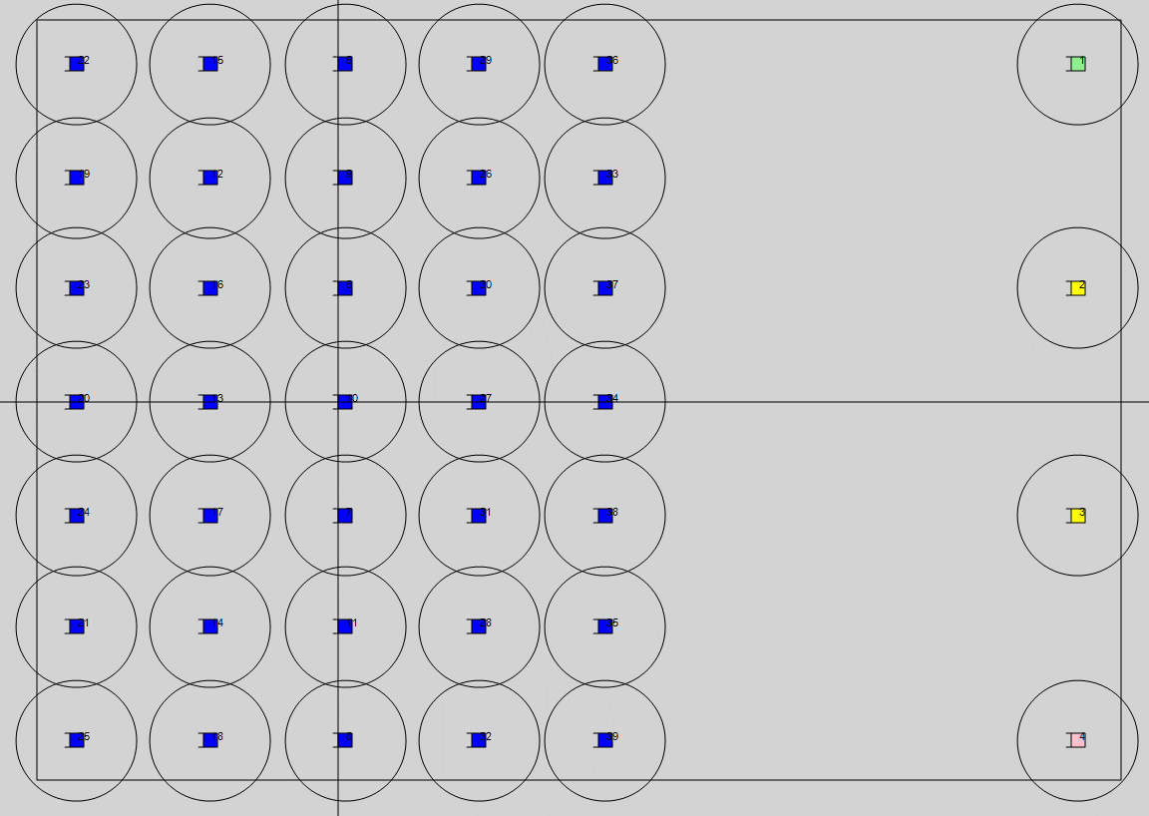
39 |  |  |  |  |  |  |  |  |  |  |  |  |  |  |  |  | 39 | 1_G320_N_K4615,0_30 | 180 | -3.89 | -1.01 | 0 | 4 | 10 | 1_G320_N_K4615,0_30 | 0 | 3.58 | 5.05 | 0 | 4 | 10 | 14 | 1_G320_N_K4615,0_30 | 180 | -1.9 | 3.350 | 0 | 4 | 10
40 |  |  |  |  |  |  |  |  |  |  |  |  |  |  |  |  | 40 | 1_G320_N_K4615,0_30 | 180 | -3.89 | 1.01 | 0 | 4 | 10 | 1_G320_N_K4615,0_30 | 180 | 1.09 | 5.05 | 0 | 4 | 10 | 15 | 1_G320_N_K4615,0_30 | 180 | -1.9 | -5.050 | 0 | 4 | 10
41 |  |  |  |  |  |  |  |  |  |  |  |  |  |  |  |  | 41 | 1_G320_N_K4615,0_30 | 180 | -3.89 | 3.03 | 0 | 4 | 10 | 1_G320_N_K4615,0_30 | 180 | -1.4 | 5.05 | 0 | 4 | 10 | 16 | 1_G320_N_K4615,0_30 | 180 | -1.9 | -1.700 | 0 | 4 | 10
42 |  |  |  |  |  |  |  |  |  |  |  |  |  |  |  |  | 42 | 1_G320_N_K4615,0_30 | 180 | -3.89 | 5.05 | 0 | 4 | 10 | 1_G320_N_K4615,0_30 | 180 | -3.89 | 5.05 | 0 | 4 | 10 | 17 | 1_G320_N_K4615,0_30 | 180 | -1.9 | 1.700 | 0 | 4 | 10
43 |  |  |  |  |  |  |  |  |  |  |  |  |  |  |  |  |  |  |  |  |  |  |  |  |  |  |  |  |  |  |  | 18 | 1_G320_N_K4615,0_30 | 180 | -1.9 | 5.050 | 0 | 4 | 10
44 |  |  |  |  |  |  |  |  |  |  |  |  |  |  |  |  |  |  |  |  |  |  |  |  |  |  |  |  |  |  |  | 19 | 1_G320_N_K4615,0_30 | 180 | -3.9 | -3.350 | 0 | 4 | 10
45 |  |  |  |  |  |  |  |  |  |  |  |  |  |  |  |  |  |  |  |  |  |  |  |  |  |  |  |  |  |  |  | 20 | 1_G320_N_K4615,0_30 | 180 | -3.9 | 0.000 | 0 | 4 | 10
46 |  |  |  |  |  |  |  |  |  |  |  |  |  |  |  |  |  |  |  |  |  |  |  |  |  |  |  |  |  |  |  | 21 | 1_G320_N_K4615,0_30 | 180 | -3.9 | 3.350 | 0 | 4 | 10
47 |  |  |  |  |  |  |  |  |  |  |  |  |  |  |  |  |  |  |  |  |  |  |  |  |  |  |  |  |  |  |  | 22 | 1_G320_N_K4615,0_30 | 180 | -3.9 | -5.050 | 0 | 4 | 10
48 |  |  |  |  |  |  |  |  |  |  |  |  |  |  |  |  |  |  |  |  |  |  |  |  |  |  |  |  |  |  |  | 23 | 1_G320_N_K4615,0_30 | 180 | -3.9 | -1.700 | 0 | 4 | 10
49 |  |  |  |  |  |  |  |  |  |  |  |  |  |  |  |  |  |  |  |  |  |  |  |  |  |  |  |  |  |  |  | 24 | 1_G320_N_K4615,0_30 | 180 | -3.9 | 1.700 | 0 | 4 | 10
50 |  |  |  |  |  |  |  |  |  |  |  |  |  |  |  |  |  |  |  |  |  |  |  |  |  |  |  |  |  |  |  | 25 | 1_G320_N_K4615,0_30 | 180 | -3.9 | 5.050 | 0 | 4 | 10
51 |  |  |  |  |  |  |  |  |  |  |  |  |  |  |  |  |  |  |  |  |  |  |  |  |  |  |  |  |  |  |  | 26 | 1_G320_N_K4615,0_30 | 180 | 2.1 | -3.350 | 0 | 4 | 10
52 |  |  |  |  |  |  |  |  |  |  |  |  |  |  |  |  |  |  |  |  |  |  |  |  |  |  |  |  |  |  |  | 27 | 1_G320_N_K4615,0_30 | 180 | 2.1 | 0.000 | 0 | 4 | 10
53 |  |  |  |  |  |  |  |  |  |  |  |  |  |  |  |  |  |  |  |  |  |  |  |  |  |  |  |  |  |  |  | 28 | 1_G320_N_K4615,0_30 | 180 | 2.1 | 3.350 | 0 | 4 | 10
54 |  |  |  |  |  |  |  |  |  |  |  |  |  |  |  |  |  |  |  |  |  |  |  |  |  |  |  |  |  |  |  | 29 | 1_G320_N_K4615,0_30 | 180 | 2.1 | -5.050 | 0 | 4 | 10
55 |  |  |  |  |  |  |  |  |  |  |  |  |  |  |  |  |  |  |  |  |  |  |  |  |  |  |  |  |  |  |  | 30 | 1_G320_N_K4615,0_30 | 180 | 2.1 | -1.700 | 0 | 4 | 10
56 |  |  |  |  |  |  |  |  |  |  |  |  |  |  |  |  |  |  |  |  |  |  |  |  |  |  |  |  |  |  |  | 31 | 1_G320_N_K4615,0_30 | 180 | 2.1 | 1.700 | 0 | 4 | 10
57 |  |  |  |  |  |  |  |  |  |  |  |  |  |  |  |  |  |  |  |  |  |  |  |  |  |  |  |  |  |  |  | 32 | 1_G320_N_K4615,0_30 | 180 | 2.1 | 5.050 | 0 | 4 | 10
58 |  |  |  |  |  |  |  |  |  |  |  |  |  |  |  |  |  |  |  |  |  |  |  |  |  |  |  |  |  |  |  | 33 | 1_G320_N_K4615,0_30 | 180 | 4 | -3.350 | 0 | 4 | 10
59 |  |  |  |  |  |  |  |  |  |  |  |  |  |  |  |  |  |  |  |  |  |  |  |  |  |  |  |  |  |  |  | 34 | 1_G320_N_K4615,0_30 | 180 | 4 | 0.000 | 0 | 4 | 10
60 |  |  |  |  |  |  |  |  |  |  |  |  |  |  |  |  |  |  |  |  |  |  |  |  |  |  |  |  |  |  |  | 35 | 1_G320_N_K4615,0_30 | 180 | 4 | 3.350 | 0 | 4 | 10
61 |  |  |  |  |  |  |  |  |  |  |  |  |  |  |  |  |  |  |  |  |  |  |  |  |  |  |  |  |  |  |  | 36 | 1_G320_N_K4615,0_30 | 180 | 4 | -5.050 | 0 | 4 | 10
62 |  |  |  |  |  |  |  |  |  |  |  |  |  |  |  |  |  |  |  |  |  |  |  |  |  |  |  |  |  |  |  | 37 | 1_G320_N_K4615,0_30 | 180 | 4 | -1.700 | 0 | 4 | 10
63 |  |  |  |  |  |  |  |  |  |  |  |  |  |  |  |  |  |  |  |  |  |  |  |  |  |  |  |  |  |  |  | 38 | 1_G320_N_K4615,0_30 | 180 | 4 | 1.700 | 0 | 4 | 10
64 |  |  |  |  |  |  |  |  |  |  |  |  |  |  |  |  |  |  |  |  |  |  |  |  |  |  |  |  |  |  |  | 39 | 1_G320_N_K4615,0_30 | 180 | 4 | 5.050 | 0 | 4 | 10
65
66
67 |  |  |  |  |  |  |  |  |  |  |  |  |  |  |  |  |  |  |  |  |  |  |  |  |  |  |  |  |  |  |  |  | 1_G320_N_K4615,0_30 | 180 | 11.05 | -5.050 | 0 | 4 | 10
68 |  |  |  |  |  |  |  |  |  |  |  |  |  |  |  |  |  |  |  |  |  |  |  |  |  |  |  |  |  |  |  |  | 1_G320_N_K4615,0_30 | 180 | 11.05 | -1.700 | 0 | 4 | 10
69 |  |  |  |  |  |  |  |  |  |  |  |  |  |  |  |  |  |  |  |  |  |  |  |  |  |  |  |  |  |  |  |  | 1_G320_N_K4615,0_30 | 180 | 11.05 | 1.700 | 0 | 4 | 10
70 |  |  |  |  |  |  |  |  |  |  |  |  |  |  |  |  |  |  |  |  |  |  |  |  |  |  |  |  |  |  |  |  | 1_G320_N_K4615,0_30 | 180 | 11.05 | 5.050 | 0 | 4 | 10
71 |  |  |  |  |  |  |  |  |  |  |  |  |  |  |  |  |  |  |  |  |  |  |  |  |  |  |  |  |  |  |  |  | 1_G320_N_K4615,0_30 | 180 | 0.1 | -5.050 | 0 | 4 | 10
72 |  |  |  |  |  |  |  |  |  |  |  |  |  |  |  |  |  |  |  |  |  |  |  |  |  |  |  |  |  |  |  |  | 1_G320_N_K4615,0_30 | 180 | 0.1 | -1.700 | 0 | 4 | 10
73 |  |  |  |  |  |  |  |  |  |  |  |  |  |  |  |  |  |  |  |  |  |  |  |  |  |  |  |  |  |  |  |  | 1_G320_N_K4615,0_30 | 180 | 0.1 | 1.700 | 0 | 4 | 10
74 |  |  |  |  |  |  |  |  |  |  |  |  |  |  |  |  |  |  |  |  |  |  |  |  |  |  |  |  |  |  |  |  | 1_G320_N_K4615,0_30 | 180 | 0.1 | 5.050 | 0 | 4 | 10
75 |  |  |  |  |  |  |  |  |  |  |  |  |  |  |  |  |  |  |  |  |  |  |  |  |  |  |  |  |  |  |  |  | 1_G320_N_K4615,0_30 | 180 | 0.1 | -3.350 | 0 | 4 | 10
76 |  |  |  |  |  |  |  |  |  |  |  |  |  |  |  |  |  |  |  |  |  |  |  |  |  |  |  |  |  |  |  |  | 1_G320_N_K4615,0_30 | 180 | 0.1 | 0.000 | 0 | 4 | 10
77 |  |  |  |  |  |  |  |  |  |  |  |  |  |  |  |  |  |  |  |  |  |  |  |  |  |  |  |  |  |  |  |  | 1_G320_N_K4615,0_30 | 180 | 0.1 | 3.350 | 0 | 4 | 10
78 |  |  |  |  |  |  |  |  |  |  |  |  |  |  |  |  |  |  |  |  |  |  |  |  |  |  |  |  |  |  |  |  | 1_G320_N_K4615,0_30 | 180 | -1.9 | -3.350 | 0 | 4 | 10
79 |  |  |  |  |  |  |  |  |  |  |  |  |  |  |  |  |  |  |  |  |  |  |  |  |  |  |  |  |  |  |  |  | 1_G320_N_K4615,0_30 | 180 | -1.9 | 0.000 | 0 | 4 | 10
80 |  |  |  |  |  |  |  |  |  |  |  |  |  |  |  |  |  |  |  |  |  |  |  |  |  |  |  |  |  |  |  |  | 1_G320_N_K4615,0_30 | 180 | -1.9 | 3.350 | 0 | 4 | 10
81 |  |  |  |  |  |  |  |  |  |  |  |  |  |  |  |  |  |  |  |  |  |  |  |  |  |  |  |  |  |  |  |  | 1_G320_N_K4615,0_30 | 180 | -1.9 | -5.050 | 0 | 4 | 10
82 |  |  |  |  |  |  |  |  |  |  |  |  |  |  |  |  |  |  |  |  |  |  |  |  |  |  |  |  |  |  |  |  | 1_G320_N_K4615,0_30 | 180 | -1.9 | -1.700 | 0 | 4 | 10
83 |  |  |  |  |  |  |  |  |  |  |  |  |  |  |  |  |  |  |  |  |  |  |  |  |  |  |  |  |  |  |  |  | 1_G320_N_K4615,0_30 | 180 | -1.9 | 1.700 | 0 | 4 | 10
84 |  |  |  |  |  |  |  |  |  |  |  |  |  |  |  |  |  |  |  |  |  |  |  |  |  |  |  |  |  |  |  |  | 1_G320_N_K4615,0_30 | 180 | -1.9 | 5.050 | 0 | 4 | 10
85 |  |  |  |  |  |  |  |  |  |  |  |  |  |  |  |  |  |  |  |  |  |  |  |  |  |  |  |  |  |  |  |  | 1_G320_N_K4615,0_30 | 180 | -3.9 | -3.350 | 0 | 999 | 10
86 |  |  |  |  |  |  |  |  |  |  |  |  |  |  |  |  |  |  |  |  |  |  |  |  |  |  |  |  |  |  |  |  | 1_G320_N_K4615,0_30 | 180 | -3.9 | 0.000 | 0 | 999 | 10
87 |  |  |  |  |  |  |  |  |  |  |  |  |  |  |  |  |  |  |  |  |  |  |  |  |  |  |  |  |  |  |  |  | 1_G320_N_K4615,0_30 | 180 | -3.9 | 3.350 | 0 | 999 | 10
88 |  |  |  |  |  |  |  |  |  |  |  |  |  |  |  |  |  |  |  |  |  |  |  |  |  |  |  |  |  |  |  |  | 1_G320_N_K4615,0_30 | 180 | -3.9 | -5.050 | 0 | 999 | 10
89 |  |  |  |  |  |  |  |  |  |  |  |  |  |  |  |  |  |  |  |  |  |  |  |  |  |  |  |  |  |  |  |  | 1_G320_N_K4615,0_30 | 180 | -3.9 | -1.700 | 0 | 999 | 10
90 |  |  |  |  |  |  |  |  |  |  |  |  |  |  |  |  |  |  |  |  |  |  |  |  |  |  |  |  |  |  |  |  | 1_G320_N_K4615,0_30 | 180 | -3.9 | 1.700 | 0 | 999 | 10
91 |  |  |  |  |  |  |  |  |  |  |  |  |  |  |  |  |  |  |  |  |  |  |  |  |  |  |  |  |  |  |  |  | 1_G320_N_K4615,0_30 | 180 | -3.9 | 5.050 | 0 | 999 | 10
92
93
94

